Circuit details
 | Solar cell circuit

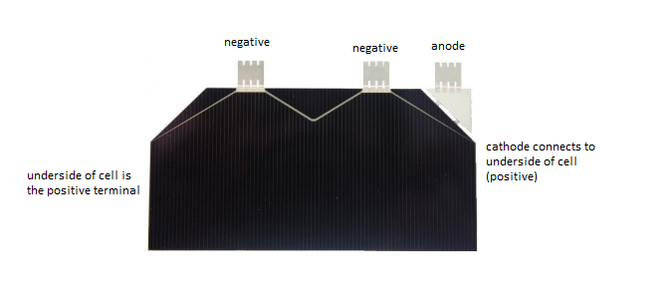
Component |  | Quantity | Datasheets
AZUR Space solar cell |  | 4 | http://www.azurspace.com/images/products/0003805-01-01_DB_3G30A.pdf
MOLEX 53398-0471 |  | 1 | https://www.molex.com/molex/products/datasheet.jsp?part=active/0533980471_PCB_HEADERS.xml

Microcap solar cell circuit
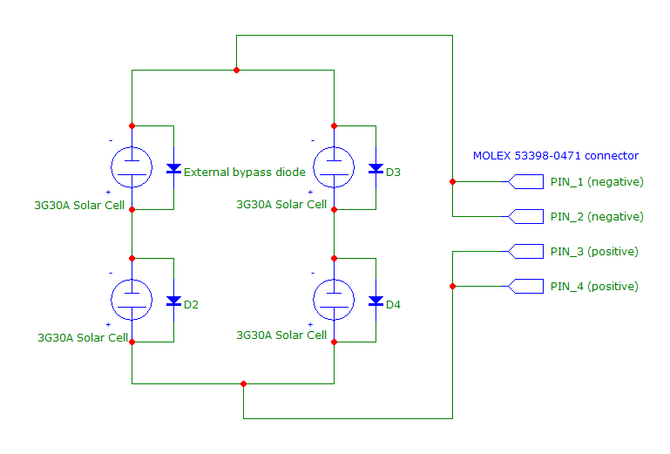

 |  |  |  |  |  | The AZUR SPACE 3G30A solar cell comes with an attached external bypass diode. The two top-side connecters are the negative terminals of the solar cell.
 |  |  |  |  |  | The underside of the solar cell is the positive terminal. The cathod of the external bypass diode connects to the underside (positive) of the solar cell, and the anode is left free for connection.

 |  |  |  |  |  | The anode and negative terminals may be connected together. To connect the solar cells in series, the underside (positive) of a previous solar cell should be connected to the anode/negative terminals of the next cell.

 | The solar cell power circuits consists of 2 parallel strings of 2 solar cells in series each (4 cells total).
 | External bypass diodes are used in the case that one of the cells in the series becomes shaded, so that it does not impede the other cells in the string.

 | The connector provides 2 pins each for positive and negative connections in order to provide redundancy.
 | The Endurosat EPS uses a DC-DC converted to provide MPPT.
 | (Curiously, their cells are also in series, e.g. 7 in series providing 17V when the EPS is rated for 5.5V max..?)

 | Sensor circuit

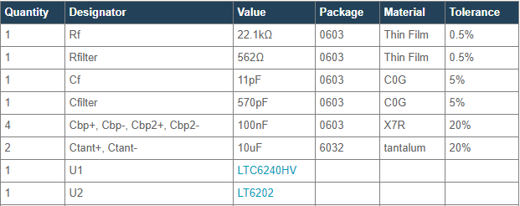
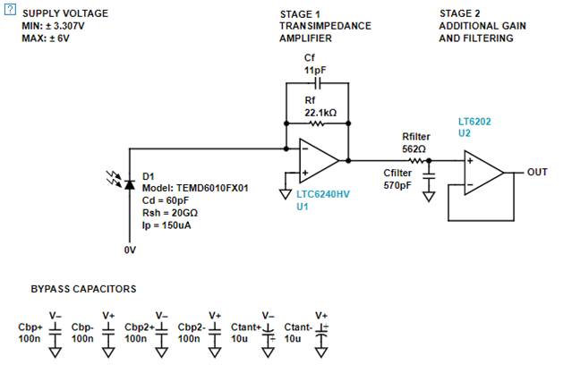
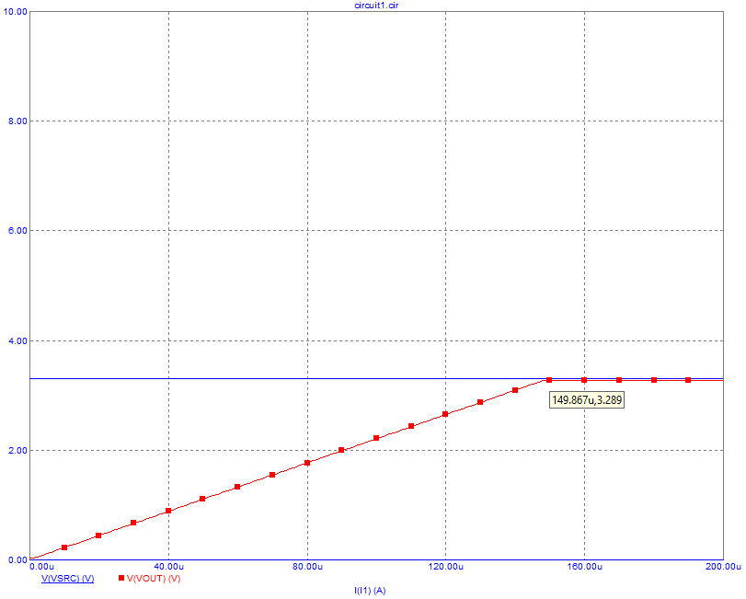
Component |  | Quantity | Datasheets |  | Circuit created on analog.com |  |  | analog.com photodiode circuit BOM | Photodiode op-amp voltage output vs. photdiode current provided
TEMD6010FX01 |  | 4 | https://www.vishay.com/docs/81308/temd6010.pdf
LTC6240HS5#PBF |  | 4 | https://www.analog.com/media/en/technical-documentation/data-sheets/624012fe.pdf
LT6202HVHS5#PBF |  | 4 | https://www.analog.com/media/en/technical-documentation/data-sheets/620234fd.pdf
MAX1249 |  | 1 | https://datasheets.maximintegrated.com/en/ds/MAX1248-MAX1249.pdf
LM70 |  | 1 | http://www.ti.com/lit/ds/symlink/lm70.pdf
22.1kΩ resistor |  | 4
562Ω resistor |  | 4
11pF capacitor |  | 4
570pF capacitor |  | 4
0.1µF capacitor |  | 1
MOLEX 53398-1271 |  | 1 | https://www.molex.com/molex/products/datasheet.jsp?part=active/0533981271_PCB_HEADERS.xml

Microcap full circuit (PD-# components are the photodiode circuits)
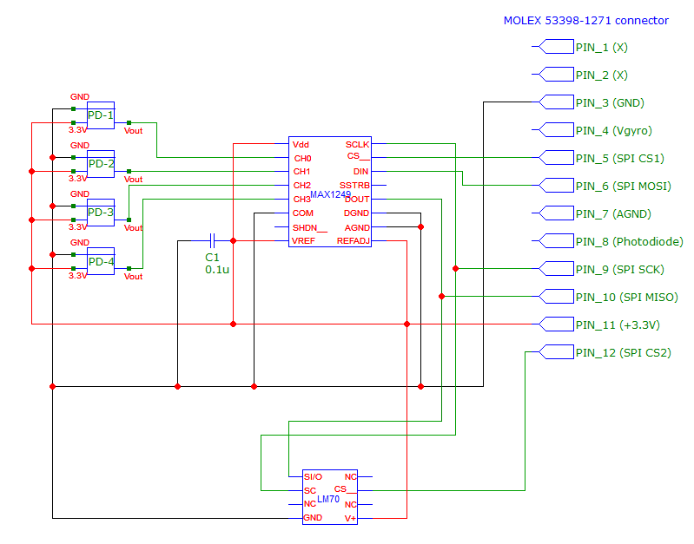
 |  |  |  |  |  |  |  | (This is not for the full circuit)

 |  |  |  |  |  |  |  | Mandatory capacitors are: Cf, Cfilter
 |  |  |  |  |  |  |  | May omit: Cbp+, Cbp-, Cbp2+, Cbp2-, Ctant+, Ctant-

 |  |  |  |  |  |  |  |  | As shown, the voltage output of the op-amp circuit should scale linearly with current, and provide a maximum of roughly 3.3V.

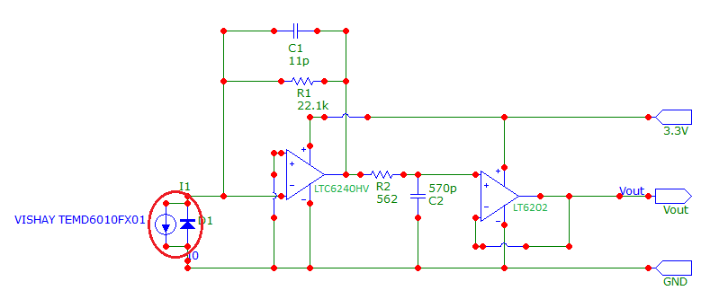
 |  |  |  | Microcap circuit (PD-# component in full diagram)

 | The sensor circuit consists of 4 TEMD6010FX01 photodiodes and 1 LM70 temperature sensor. The 4 photodiodes are connected to the analog input channels of the MAX1249 ADC, and the ADC is connected to the MOLEX connector pins 3, 5, 6, 9, 10, and 11.
 | The LM70 is connected directly to the MOLEX connector on pins 3, 9, 10, 11, 12. Both the MAX1249 and LM70 make use of the SPI interfaces on the OBC.

 | The photodiodes are run in photoconductive mode with zero reverse voltage. In the photodiode circuit, the first op-amp serves as an amplifier, while the second one serves as a filter.
 | The op-amp supply rails take 3.3V on the positive rail, and 0V (gnd) on the negative rail. This will limit the output voltage (Vout) to the range 0V to 3.3V. Vout is then connected to one of the analog input channels on the MAX1249.
 | Keep in mind that output current varies depending on current light intensity and temperature, and will degrade over time.
 | A CSV file containing photodiode current Vs. Vout may be found in the Photodiode circuits directory.

 | On the MAX1249, tying REFADJ to Vdd disables the internal buffer. As the analog input will vary from 0V to 3.3V, a VREF of 3.3V is used.

 |  | MAX1249AMJE | PREFERRED, MUST CONTACT FACTORY?

 | RBF circuit

Component |  | Quantity | Datasheets
MOLEX 47257-0001 |  | 1 | https://www.digikey.ca/product-detail/en/molex/0472570001/WM17366-ND/3262245
TIC 50-00402 |  | 1 | https://www.digikey.ca/product-detail/en/tensility-international-corp/50-00402/839-1227-ND/4865081

 | The MOLEX connector will be attached to the bottom-side of the panel, with its opening embedded in the surface of the panel.
 | The TIC plug will have its non-connector end shaved down to 5.4mm or less in order to meet the CubeSat design specifications.

 | The RBF circuit will be in a closed state when the plug is inserted. This circuit will be connected to the custom board, where timer components will be used to keep the CubeSat powered off until 30 minutes after the RBF plug is removed and the kill switches released.

 | When the self-locking functionality of the EPS is disabled via the EPS's JMP1 pins, inserting the RBF plug will power down the CubeSat (along with disabling the 30 minute timer when removing the plug).

 | OBC bypass circuit

Component |  | Quantity | Datasheets
MOLEX 67643-2911 |  | 1 | https://www.digikey.ca/product-detail/en/molex/0676432911/WM4078-ND/2421596

 | The OBC bypass circuit will utilize an external USB connector, which will connect to the USB connector of the OBC.
 | This will allow an external device to communicate with the OBC even while the panels are attached.

 | EPS bypass circuit

Component |  | Quantity | Datasheets
MOLEX 67643-2911 |  | 1 | https://www.digikey.ca/product-detail/en/molex/0676432911/WM4078-ND/2421596

 | The EPS bypass circuit will utilize an external USB connector, which will connect to the USB connector of the EPS.
 | This will allow an external device to connect to the EPS.

 | The EPS bypass may be used to monitor the various parameters provided by the EPS, and provide some measure of control over it.
 | The EPS bypass may also be used to charge the batteries of the EPS when the JMP2 jumper is inserted.

 | Accelerometer bypass circuit

Component |  | Quantity | Datasheets
MOLEX 53261-1271 |  | 1 | https://www.molex.com/molex/products/datasheet.jsp?part=active/0532611271_PCB_HEADERS.xml
MOLEX 53398-1271 |  | 1 | https://www.molex.com/molex/products/datasheet.jsp?part=active/0533981271_PCB_HEADERS.xml

 | The accelerometer bypass circuit will be used to access the internal accelerometers used for vibration testing.
 | The accelerometers may connect to the internal connector, and the external connector may be connected to a device for monitoring the readings.
 | When done, the external cable may simply be disconnected, and the internal cables ignored.

 | There are two accelerometer bypasses on an accelerometer variant panel, for a total of 24 pins, and two panels of this type on the CubeSat.
 | If there are not enough accelerometers to warrant 4 bypasses, some may be ignored and not added in the first place.

 | Antenna deploy circuit


Component |  | Quantity | Datasheets
TE connectivity JJDVDUJ314 |  | 1 | https://www.digikey.ca/product-detail/en/te-connectivity-alcoswitch-switches/JJDVDUJ314NCPMRTR/450-3308-1-ND/9452506 |  |  |  | The release sensor

 | The antenna deploy circuit will control the release of the antennas, and provide a sensor for checking that the antenna has released.

 | The antenna will rest on a mount where the burn wires will connect to. The burn wires will be broken via resistors of the circuit.
 | A switch sensor will be placed under where the antenna will rest in its stowed state, and while the antenna is not released, the sensor will be in an open state.
 | Upon antenna release, the switch will return to its normally closed state.

 | JTAG bypass circuit

Component |  | Quantity | Datasheets
MOLEX 53261-1071 |  | 1 | https://www.molex.com/molex/products/datasheet.jsp?part=active/0532611071_PCB_HEADERS.xml
MOLEX 53398-1071 |  | 1 | https://www.molex.com/molex/products/datasheet.jsp?part=active/0533981071_PCB_HEADERS.xml&channel=Products&Lang=en-US

 | The JTAG bypass circuit will provide a connection to an external computer to the JTAG pins of the OBC.
 | This will be used to program the CubeSat OBC while the solar panels are attached.

 | Jumper circuit

Component |  | Quantity
Pin header |  | 4 pins

 | Pin header will be embedded in the solar panel to use for the JMP1 and JMP2 connectors of the OBC.
 | Internally, the pins will connect to JMP1 and JMP2, and externally the pins will be exposed.

 | F2F connectors may be attached to complete the external circuit in order to use the JMP connector features of the EPS.

Connection data
To be aware of,
NEED TO CONTACT MOLEX BEFORE PURCHASING, ASKING ABOUT AEROSPACE APPROVED COMPONENTS Parts must be made with aerospace-requirements in mind. E.g. outgassing. Confirm with Molex before purchasing.

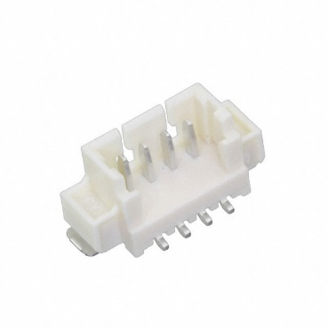
Power Connection
Connector |  | MOLEX 53398-0471
Number of pins |  | 4
Pin connections
 | Pin 1 | negative
 | Pin 2 | negative
 | Pin 3 | positive
 | Pin 4 | positive

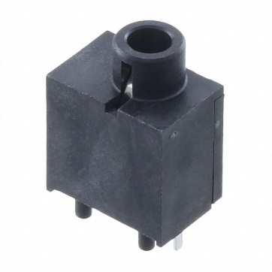
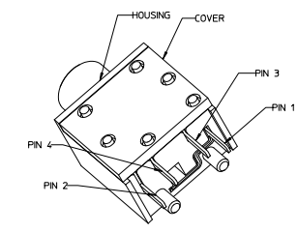
Remove Before Flight (RBF) Jack
Connector |  | MOLEX 47257-0001
Number of pins |  | 4
Pin connections
 | Pin 1 | positive
 | Pin 2 | x
 | Pin 3 | negative
 | Pin 4 | x

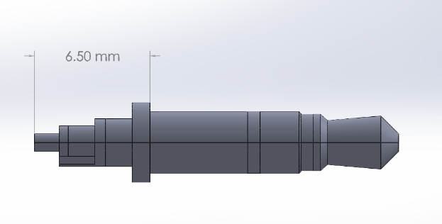
Remove Before Flight (RBF) Jack |  |  |  | The non-connector end of this plug should be shaved down to meet space requirements.
Connector |  | MOLEX 47257-0001
Number of channels |  | 4 |  | The unmodified length as shown in 6.5mm. The required is a maximum of 5.4mm.
Channel connections
 | Channel 1 | x
 | Channel 2 | x
 | Channel 3 | x

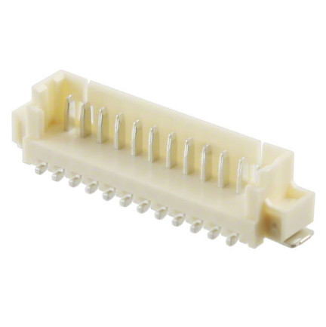
Data Connection
Connector |  | MOLEX 53398-1271
Number of pins |  | 12
Pin connections
 | Pin 1 | x
 | Pin 2 | x
 | Pin 3 | GND
 | Pin 4 | x
 | Pin 5 | x
 | Pin 6 | x
 | Pin 7 | AGND
 | Pin 8 | Photodiode
 | Pin 9 | SPI SCK
 | Pin 10 | SPI MISO
 | Pin 11 | VCC
 | Pin 12 | SPI CS2

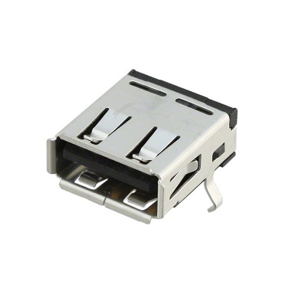
OBC Bypass Connection |  |  | This connector may simply be wired to another USB-interface cable and connected to the OBC's USB connector.
Connector |  | MOLEX 67643-2911
Number of pins |  | 4
Pin connections
 | Pin 1 | +5V USB
 | Pin 2 | USB_DM
 | Pin 3 | USB_DP
 | Pin 4 | GND

EPS Bypass Connection |  |  | This connector may simply be wired to another USB-interface cable and connected to the OBC's USB connector.
Connector |  | MOLEX 67643-2911
Number of pins |  | 4
Pin connections
 | Pin 1 | +5V USB
 | Pin 2 | USBN
 | Pin 3 | USBP
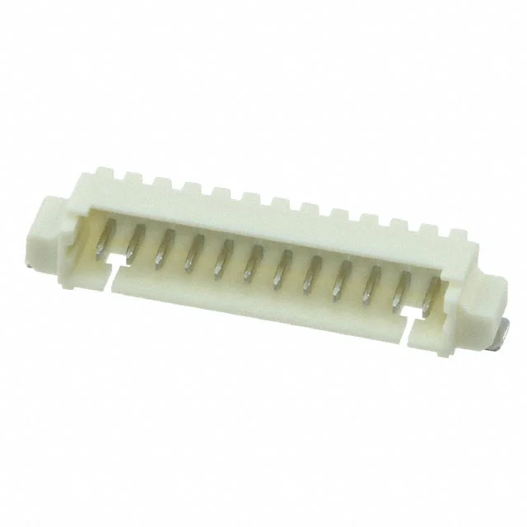
 | Pin 4 | GND

Accelerometer Bypass Connection - External
Connector |  | MOLEX 53261-1271
Number of pins |  | 12
Pin connections |  | Customizable
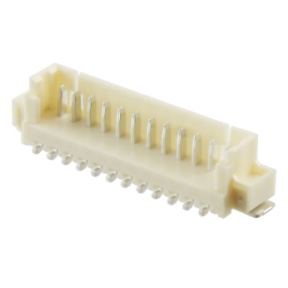

Accelerometer Bypass Connection - Internal
Connector |  | MOLEX 53398-1271
Number of pins |  | 12
Pin connections |  | Customizable

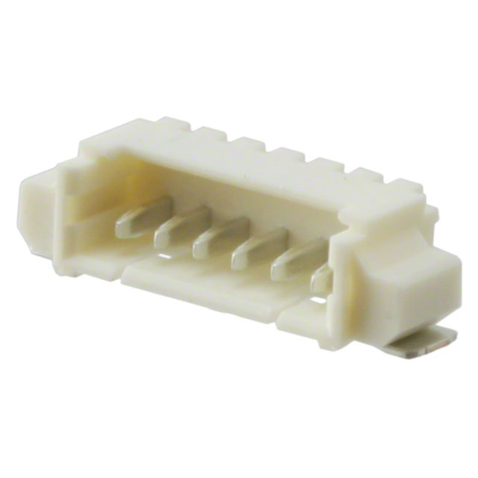
Antenna Release Connection
Connector |  | MOLEX 53261-0671
Number of pins |  | 6
Pin connections
 | Pin 1 | +5V
 | Pin 2 | GND
 | Pin 3 | Burn resistor 1
 | Pin 4 | Burn resistor 2
 | Pin 5 | Switch sensor (NC when released)
 | Pin 6 | Redundant GND
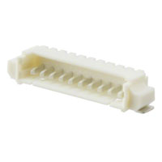

JTAG Connection - External
Connector |  | MOLEX 53261-1071
Number of pins |  | 10
Pin connections
 | Pin 1
 | Pin 2
 | Pin 3
 | Pin 4
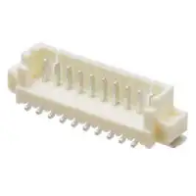

JTAG Connection - Internal
Connector |  | MOLEX 53398-1071
Number of pins |  | 10
Pin connections
 | Pin 1
 | Pin 2
 | Pin 3
 | Pin 4

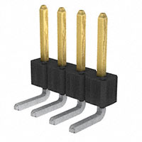
Jumper Pins
Connector |  | Pin header
Number of pins |  | 4
Pin connections
 | Pin 1 | JMP1-1
 | Pin 2 | JMP1-2
 | Pin 3 | JMP2-1
 | Pin 4 | JMP2-2

